Epstein_2014
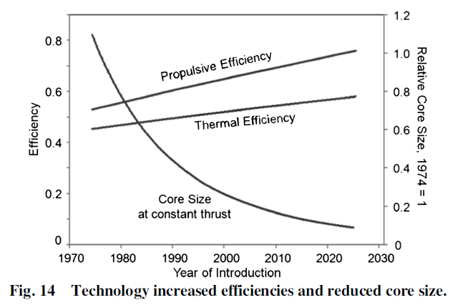
Epstein (2014) - Aeropropulsion for Commercial Aviation in the Twenty-First Century and Research Directions Needed
https://arc.aiaa.org/doi/pdf/10.2514/1.J052713
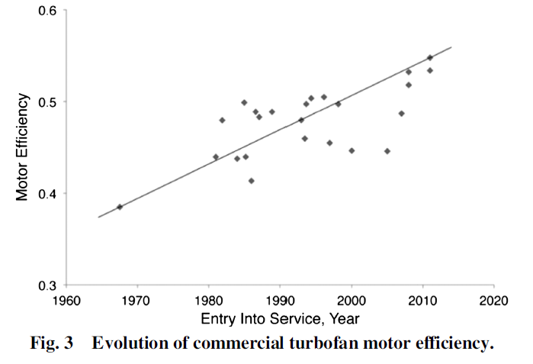
Figure 14 - Trend line data points
Year | Country | Thermal Efficiency [-] | Propulsive Efficiency [-] | Total Efficiency [-]
1975 | World | 45.00% | 53.00% | 23.85%
2020 | World | 55.00% | 72.00% | 39.60%

 |  |  |  |  |  | 1960 | 1975 | 2020
 |  |  |  |  | Thermal efficiency | 0.42 | 0.45 | 0.55
 |  |  |  |  | propulsive efficiency | 0.47 | 0.53 | 0.72
 |  |  |  |  | total efficiency | 19% | 24% | 40%

Babikian_2002
Babikian et al (2002) - The historical fuel efficiency characteristics of regional aircraft from technological, operational, and cost perspectives
https://doi.org/10.1016/S0969-6997%2802%2900020-0

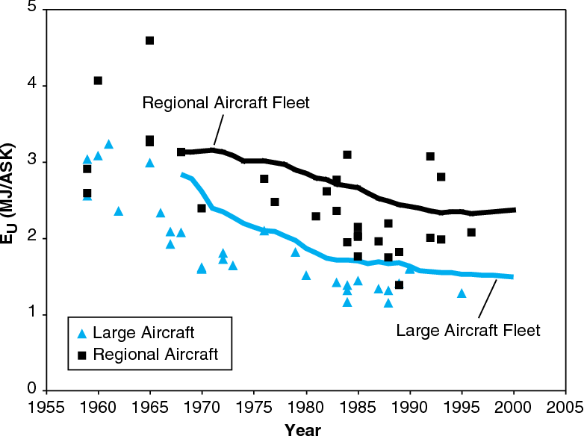
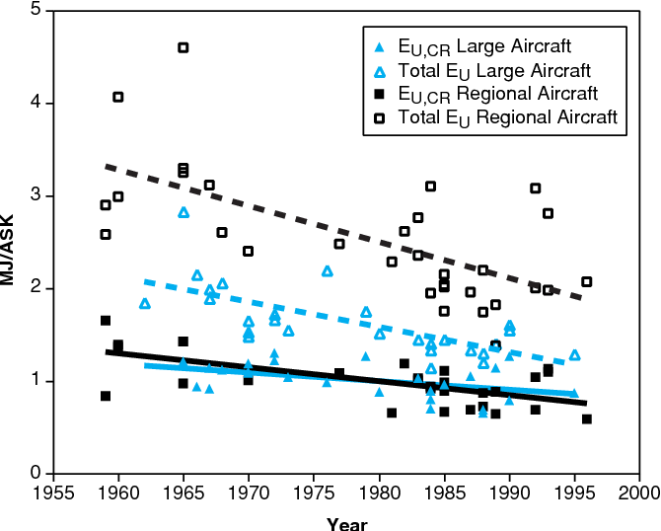
Year | Unit | Regional Aircraft Fleet | Large Aircraft Fleet | Regional:Large Ratio [-]
1968 | Energy Intensity [MJ/Available Seat km (ASK)] | 3.13 | 2.85 | 1.10
1969 | Energy Intensity [MJ/Available Seat km (ASK)] | 3.14 | 2.80 | 1.12
1970 | Energy Intensity [MJ/Available Seat km (ASK)] | 3.14 | 2.61 | 1.20
1971 | Energy Intensity [MJ/Available Seat km (ASK)] | 3.12 | 2.42 | 1.29
1972 | Energy Intensity [MJ/Available Seat km (ASK)] | 3.09 | 2.35 | 1.31
1973 | Energy Intensity [MJ/Available Seat km (ASK)] | 3.06 | 2.29 | 1.34
1974 | Energy Intensity [MJ/Available Seat km (ASK)] | 3.03 | 2.22 | 1.36
1975 | Energy Intensity [MJ/Available Seat km (ASK)] | 3.02 | 2.16 | 1.40
1976 | Energy Intensity [MJ/Available Seat km (ASK)] | 3.01 | 2.11 | 1.42
1977 | Energy Intensity [MJ/Available Seat km (ASK)] | 2.99 | 2.11 | 1.41
1978 | Energy Intensity [MJ/Available Seat km (ASK)] | 2.97 | 2.05 | 1.45
1979 | Energy Intensity [MJ/Available Seat km (ASK)] | 2.91 | 1.98 | 1.47
1980 | Energy Intensity [MJ/Available Seat km (ASK)] | 2.85 | 1.91 | 1.49
1981 | Energy Intensity [MJ/Available Seat km (ASK)] | 2.79 | 1.83 | 1.52
1982 | Energy Intensity [MJ/Available Seat km (ASK)] | 2.74 | 1.76 | 1.56
1983 | Energy Intensity [MJ/Available Seat km (ASK)] | 2.69 | 1.73 | 1.56
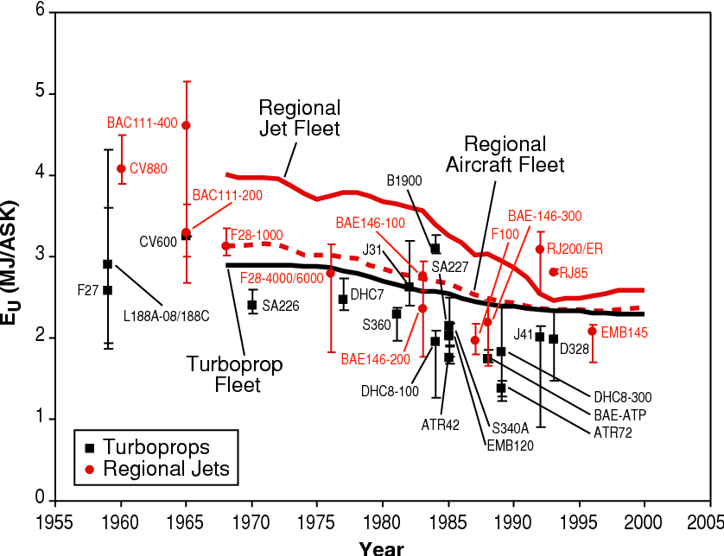
1984 | Energy Intensity [MJ/Available Seat km (ASK)] | 2.68 | 1.72 | 1.56
1985 | Energy Intensity [MJ/Available Seat km (ASK)] | 2.67 | 1.71 | 1.57
1986 | Energy Intensity [MJ/Available Seat km (ASK)] | 2.61 | 1.65 | 1.58
1987 | Energy Intensity [MJ/Available Seat km (ASK)] | 2.54 | 1.71 | 1.49
1988 | Energy Intensity [MJ/Available Seat km (ASK)] | 2.50 | 1.70 | 1.47
1989 | Energy Intensity [MJ/Available Seat km (ASK)] | 2.46 | 1.66 | 1.48
1990 | Energy Intensity [MJ/Available Seat km (ASK)] | 2.43 | 1.62 | 1.50
1991 | Energy Intensity [MJ/Available Seat km (ASK)] | 2.39 | 1.59 | 1.51
1992 | Energy Intensity [MJ/Available Seat km (ASK)] | 2.35 | 1.57 | 1.49
1993 | Energy Intensity [MJ/Available Seat km (ASK)] | 2.32 | 1.56 | 1.48
1994 | Energy Intensity [MJ/Available Seat km (ASK)] | 2.32 | 1.55 | 1.50
1995 | Energy Intensity [MJ/Available Seat km (ASK)] | 2.33 | 1.54 | 1.51
1996 | Energy Intensity [MJ/Available Seat km (ASK)] | 2.33 | 1.53 | 1.52
1997 | Energy Intensity [MJ/Available Seat km (ASK)] | 2.34 | 1.53 | 1.54
1998 | Energy Intensity [MJ/Available Seat km (ASK)] | 2.36 | 1.52 | 1.55
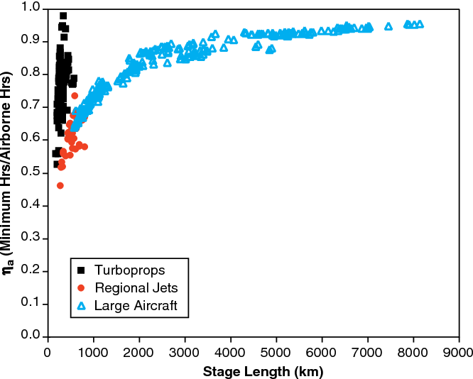
1999 | Energy Intensity [MJ/Available Seat km (ASK)] | 2.37 | 1.51 | 1.57
2000 | Energy Intensity [MJ/Available Seat km (ASK)] | 2.39 | 1.50 | 1.59

